LinkedIn_Bug_Report
Bug ID | Bug Title | Reproduce Steps | Expected behavior | Actual behavior | Priority | Severity | Attachments | Status
1 | Trying to get premuim free trial for 30 days leads to a final payment step | 1- Open LinkedIn app. 2- Click on "Try premuim free trial" button. 3- Follow the steps and fill in the required fields. 4- Check the final step | user starts the free trial of Premuim level for 30 days | The final step requires entering a payment method to start payment | High | Minor | 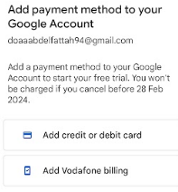 | new
2 | People you may know list contains already invited people for connection | 1- Open LinkedIn app. 2- Click on "connect" button to invite someone for your network 3- Click on "My Network" tab 4- Check the "people you may know" list. | people you may know" list contains only people who are out of my network with the "connect" button. | Already invited people are displayed in the "people you may know" list with "pending" status. | Low | Minor | 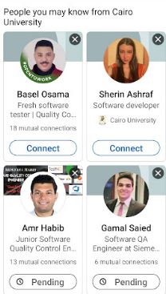 | new
3 | Easy Apply option is not available for all recommended jobs | 1- Open LinkedIn app. 2- Click on "Jobs" tab. 3- Check the displayed recommended jobs list | "Easy Apply" option displayed to all jobs to facilitate the applying steps | Not all jobs have "Easy Apply" option. It navigates to another website for applying to this job. | High | Minor | 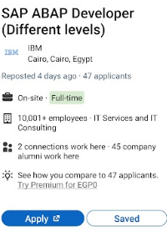 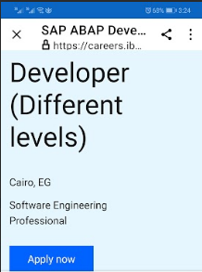 | new
4 | Onsite jobs are recommended in the jobs tab although user selected "remote" option as a location type in "Job preferences" section | 1- Open LinkedIn app. 2- click on "view profile" button. 3- click on "Job preferences" tab 4- Select "Remote" option from "Location types" 5- Go to home page 6- Click on "Jobs" tab 7- Check types of recommended jobs | Remote jobs only are displayed in the jobs list | Onsite jobs also displayed in the jobs list | High | Major | 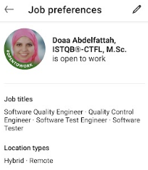 | new
5 | User cannot invite someone to his network if he have withdrawn the invitation for this persone before | 1- Open LinkedIn app. 2- Click on "connect" button to invite someone for your network 3- click on "withdraw" button 4- try to re-connect to this person | "Connect" button is displayed normally after withdraw to allow user to re-connect | "Withdrawn" status appears with no option to re-connect. | Low | Minor | 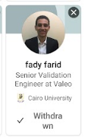 | new
6 | Irritating advertising links recieved in messages if some of the promoted links related to user's skills or interests. | 1- Open LinkedIn app. 2- Add your skills and interests in your profile 3- Check your messages | No promoted links are received related or irrelated to user's skills. | Many promoted links are received even from outside the user's country and sometimes written in foreign strange languages. | Low | Minor | 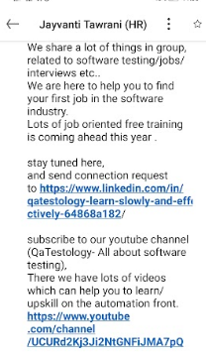 | new

